Annex J - ZEV Guidance
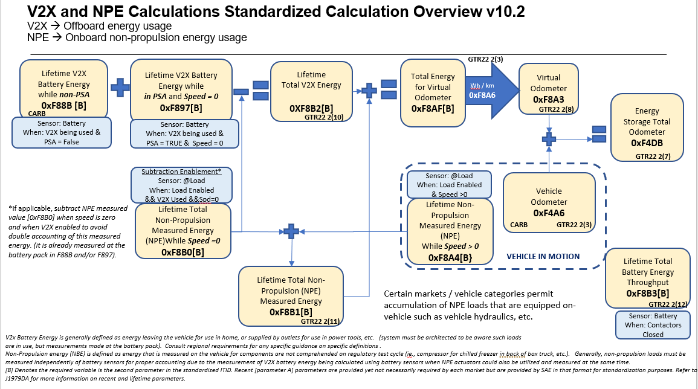
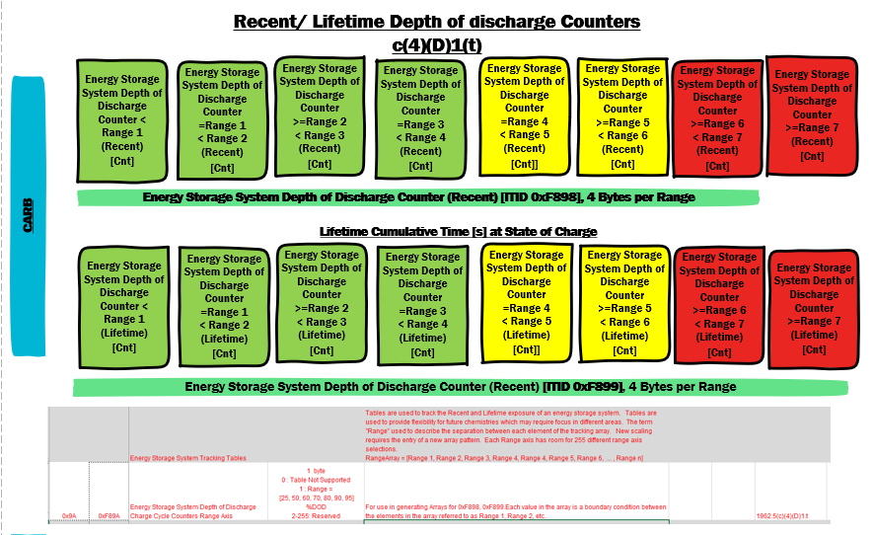
Energy Storage Tracker Guidance

Usage Notes
1.0 Throttle/Pedal Position Sensor PIDs
The following DTCs are generally assigned to throttle position:
P0120 | Throttle/Pedal Position Sensor "A" Circuit (J1979 PID $11 Absolute Throttle Position)
P0220 | Throttle/Pedal Position Sensor/Switch "B" Circuit (J1979 PID $47 Absolute Throttle Position B)
P0225 | Throttle/Pedal Position Sensor/Switch "C" Circuit (J1979 PID $48 Absolute Throttle Position C)
P212A | Throttle/Pedal Position Sensor/Switch "G" Circuit (J1979 PID $8D Absolute Throttle Position G)
Early implementations used three sensors for redundancy. Later implementations went to two sensors with opposing slopes. “G” was added for a dual throttle body application where A and B were used for throttle body A and C and G were used for throttle body B.
The following DTCs are generally assigned to pedal position. Early implementations used three sensors for redundancy. Later implementations went to two sensors with opposing slopes.
P2120 | Throttle/Pedal Position Sensor/Switch "D" Circuit (J1979 PID $49 Accelerator Pedal Position D)
P2125 | Throttle/Pedal Position Sensor/Switch "E" Circuit (J1979 PID $4A Accelerator Pedal Position E)
P2130 | Throttle/Pedal Position Sensor/Switch "F" Circuit (J1979 PID $4B Accelerator Pedal Position F)

2.0 Camshaft DTCs
For DTCs that refer to camshafts, “A” generally refers to Intake and “B” generally refers to exhaust. Manufacturers must use alternative definitions for “A” and “B” consistently across their entire product line.
Examples of “A” camshaft DTCs:
P0010 | Intake Camshaft Position Actuator Control Circuit/Open (Bank 1)
P0011 | Intake Camshaft Position Timing - Over-Advanced (Bank 1)
P0012 | Intake Camshaft Position Timing - Over-Retarded (Bank 1)
Examples of “B” camshaft DTCs:
P0013 | Exhaust Camshaft Position Actuator Control Circuit/Open (Bank 1)
P0014 | Exhaust Camshaft Position Timing - Over-Advanced (Bank 1)
P0015 | Exhaust Camshaft Position Timing - Over-Retarded (Bank 1)

3.0 Smart Device
The OBD-II regulations (1968.2) now address requirements for smart devices.
“Diagnostic or emission critical” electronic powertrain control unit refers to the engine and transmission control unit(s). For the 2005 and subsequent model years, it also includes any other on-board electronic powertrain control unit that:
(1) has primary control over any of the monitors required by sections (e)(1) through (e)(14), (e)(16), (f)(1) through (f)(14), and (f)(16), but does not include circuit or out-of-range fault monitors required by sections (e)(7.2.1)(B), (e)(7.2.2)(B), (e)(7.2.2)(D), (e)(7.2.3)(B), (e)(10.2.2)(A), (f)(5.2.1)(A)(ii), (f)(5.2.1)(B)(ii), (f)(5.2.2)(B), (f)(5.2.4)(B), and (f)(11.2.2)(A); or,
(2) except for anti-lock brake system (ABS) control units or stability/traction control units, has primary control over any rationality fault diagnostics or functional check for more than four input components or more than two output components required to be monitored by sections (e)(15.0) and (f)(15); or
(3) for 2019 and subsequent model year vehicles, except for anti-lock brake system (ABS) control units or stability/traction control units, is field reprogrammable and has primary control over any rationality fault diagnostic or functional check for any input or output component required to be monitored by sections (e)(15) and (f)(15).
For purposes of criteria (1) and (2) above, “primary control” over a monitor means the control unit does any of the following: (a) determines if any enable conditions are satisfied; (b) calculates all or part of the diagnostic decision statistic or metric by which pass or fail decisions are made (e.g., the comparison of a component’s measured or calculated level of performance to a fault threshold); or (c) makes or processes pass or fail decisions (e.g., debounces diagnostic decision statistics or commands MIL illumination or fault code storage). Further, for purposes of criterion (2)(a) above, all glow plugs in an engine shall be considered “one” component in lieu of each glow plug being considered a separate component. For purposes of criteria (1) and (2) above, “input component” and “output component” includes hybrid components required to be monitored in accordance with the requirements under section (e)(15.2.1), (e)(15.2.2), (f)(15.2.1), or (f)(15.2.2)

“Smart device” refers to an electronic powertrain component or system that uses a microprocessor or microcontroller and does not meet the criteria to be classified as a “diagnostic or emission critical electronic powertrain control unit.” Devices that control transmissions or battery packs are excluded from this definition. Any component or system externally connected to the smart device shall not be considered part of the smart device unless:
(1) It is a subcomponent integral to the function of the smart device;
(2) It is permanently attached to the smart device with wires or one-time connectors; and
(3) The smart device and subcomponent are designed, manufactured, installed, and serviced (per manufacturer published procedures) as a single component.
….OBD II system shall monitor for malfunction any electronic powertrain component/system not otherwise described in sections (e)(1) through (e)(14) that either provides input to (directly or indirectly) or receives commands from an on-board computer or smart device, and: (1) can affect emissions in excess of the criteria described in section (e)(15.1.2) during any reasonable in-use driving condition, or (2) is used as part of the diagnostic strategy for any other monitored system or component. Each input to or output from a smart device that meets criterion (1) or (2) above shall be monitored pursuant to section (e)(15). Further detection or pinpointing of faults internal to the smart device is not required. If the vehicle compensates or adjusts for deterioration or malfunction of the component/system, manufacturers are subject to the default action requirements of section (d)(2.2.3) or (e)(15.4.4) as applicable.
(i) For computer encoded digital inputs: lack of communication from the input to the on-board computer shall be separately detected and store a separate fault code. Separate fault codes are not required for each distinct out-of-range fault.
Based on the reg language above, the SAE J2012 committee plans to assign the following standard sets of DTCs for smart input devices:
U06xx - Lost Communication With XXX Sensor
P0XXX - XXX Sensor Circuit
P0XXX - XXX Sensor Circuit Range/Performance
P0XXX - XXX Sensor Circuit Low
P0XXX - XXX Sensor Circuit High
P0XXX - XXX Sensor Circuit Intermittent/Erratic
SENT devices communicate sensor data (typically analog voltages) to the main microprocessor using serial data. The microprocessor in these devices also diagnoses sensor faults and communicates that information as well. This provides several advantages over conventional sensors:
· Wiring faults can be identified differently from sensor faults in most cases. This helps a service technician identify the root cause of the fault and speeds up the repair.
· Devices with multiple SENT sensors need only three wires (power, ground and signal) for all sensors on the device. This reduces weight and wiring complexity while increasing reliability.
Sensor faults identified by the SENT device would use the traditional P-codes, e.g. circuit low, circuit high. Service technicians are already familiar wither these codes. SENT micro issues would set a Range/Performance code. These P-codes would indicate, with certainty, that the SENT device needs to be replaced.
If communication is lost with the SENT device, the Lost Communication code would be set. Most likely, it means that there is a wiring issue even though it could also mean the SENT device failed and is no longer communicating with the main micro. The service technician would proceed to troubleshoot the wires, but if no wiring fault could be identified, the next action would be to replace the SENT device. Note that if there are three sensors, three Lost Communication codes would be set. Although not desirable, this strategy makes it unnecessary to come up with unique device names for every configuration of sensors and actuators that a manufacturer uses.
SENT communication uses CRC errors to identify a communication fault. A CRC fault could be caused either by faulty wiring or by a faulty SENT microprocessor. CRC errors would also set the Lost Communication code. Similar to troubleshooting the Lost Communication code in the previous section, the service technician would proceed to troubleshoot the wires, but if no wiring fault could be identified, the next action would be to replace the SENT device. Although there was discussion of using an “Invalid Data Received from sensor XXX” code, there is no advantage in service as the repair procedure is the same – troubleshoot wires, then replace device. In addition, “Invalid Data“ codes are used to point the service technician to retrieve DTCs from another module. In this case, there is no module to retrieve codes from, so using this DTC would most likely cause confusion for service technicians.
The SENT device will send in-range as well as out-of-range sensor values to the main micro. The main micro will use this data to trigger the circuit/out-of-range faults (XXX Sensor Circuit Low and XXX Sensor Circuit High DTCs) and XXX Sensor Circuit Range/Performance and XXX Sensor Circuit Intermittent/Erratic DTCs if applicable. These same values shall be output as J1979 PIDs (if applicable). Failed sensors will report out-of-range (not default) values as required by J1979.
Diagnostic Validation testing will be accomplished by unplugging the SENT device and substituting a box that will produce SENT messages that simulate sensors with out of range values. This will test the main micro software’s ability to set the correct DTC for a given sensor fault. The SENT device supplier is responsible for ensuring that the sensor output value on SENT matches the transfer function specified for the sensor/device.
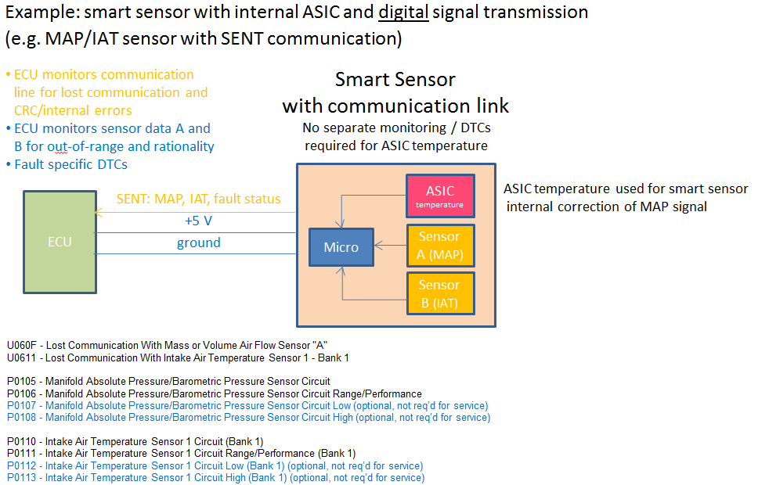

The SAE J2012 committee plans to assign the following standard sets of DTCs for smart output devices:
U06xx - Lost Communication With XXX actuator
P0XXX - XXX Actuator Control Circuit/Open
P0XXX - XXX Actuator Control Circuit Range/Performance
P0XXX - XXX Actuator Control Circuit Low
P0XXX - XXX Actuator Control Circuit High
Smart actuator devices communicate via a two-way bus, usually CAN or LIN, with the main microprocessor using serial data. These devices may have one or more sensors (position, temperature, etc…) integrated also. The microprocessor in these devices also diagnoses actuator and sensor faults and communicates that information as well.
Both actuator and sensor faults identified by the device would use the traditional P-codes, e.g. circuit low, circuit high, control circuit high, etc. Service technicians are already familiar wither these codes. Device micro issues would set a Range/Performance code. These P-codes would indicate that the entire device needs to be replaced.
If communication is lost with the device, the Lost Communication code would be set. Most likely, it means that there is a wiring issue even though it could also mean the entire device failed and is no longer communicating with the main micro. The service technician would proceed to troubleshoot the wires, but if no wiring fault could be identified, the next action would be to replace the entire device. Note that if there are three sensors and an actuator, four Lost Communication codes would be set. Although not desirable, this strategy makes it unnecessary to come up with unique device names for every configuration of sensors and actuators that a manufacturer uses.
The device will send actuator functional failure information. It will also send in-range as well as out-of-range sensor values to the main micro. The main micro will use this data to trigger the circuit/out-of-range faults (XXX Sensor Circuit Low and XXX Sensor Circuit High DTCs) and XXX Sensor Circuit Range/Performance and XXX Sensor Circuit Intermittent/Erratic DTCs if applicable. It will also use this information to trigger actuator control circuit faults (XXX Actuator Control Circuit/Open, XXX Actuator Control Circuit Low and XXX Actuator Control Circuit High DTCs) and XXX Actuator Range/Performance. These same values shall be output as J1979 PIDs (if applicable). Failed sensors will report out-of-range (not default) values as required by J1979.
Diagnostic Validation testing will be accomplished by unplugging the smart device and substituting a box that will produce communication messages that simulate sensors with out of range values and actuator faults. This will test the main micro software’s ability to set the correct DTC for a given sensor fault. The smart device supplier is responsible for ensuring operational values on the communication bus matches the functionality specified for the device.

4.0 LOAD Calculations
During DFSO, air flow should remain constant regardless of whether fuel is added or combustion occurs. LOAD_ABS should not change when just entering DFSO. LOAD_ABS should reflect the airflow going though the engine, whether combustion took place or not.
During cylinder deactivation, the engine may flow less air e.g. 6-cyinder engine is now a more efficient 3-cylinder engine. LOAD_ABS should reflect the engine airflow while cylinder deactivation is active.

5.0 I/M Readiness
There are vehicles that have multiple ECUs reporting I/M readiness results. In terms of I/M readiness, if one module reports “not ready” and all others report “ready” then the vehicle response is recorded as “not ready” by the I/M tool.

6.0 High Side or Low Side Circuits
In the context of categorizing or describing actuator circuit faults, no distinction is intended to be made in DTCs or PID information with regards to high side or low side driven circuit paths of the actuator. While the logic of ECU diagnostics may detect unique malfunction conditions of either side of a dual driven (high and low) actuator, the DTCs and PIDs associated with the actuator do not differentiate between high and low circuits.

7.0 Miles since EVAP decision (Service $09, InfoType $14)
EPA Rationale:
If a vehicle is brought in for IUVP or IUCP testing and a scan tool query of the onboard computer indicates that the vehicle has successfully completed a full OBD-based evaporative system leak monitoring check within the last 750 miles and no evaporative system leak problems for any diameter above 0.020 inches are indicated (no pending or confirmed diagnostic trouble code(s) P0440, P0442, P0446, P0455, P0456, or P0457), the vehicle would be deemed to have met and passed the leak standard test requirement. However, if the system has not successfully completed a full OBD-based evaporative system leak check within 750 miles with no problem indicated then the manufacturer will have the option to run its OBD-based evaporative system leak check in the laboratory after prescribed preconditioning.

EPA reg:
(2) For vehicles subject to the leak standard in § 86.1813, OBD systems must record in computer memory the result of the most recent successfully completed diagnostic check for a 0.020 inch leak. Someone must be able to use the data to determine the miles driven since the last check occurred, the pass/fail result, and whether there has been a check since the computer memory was last cleared (e.g., from a scan tool command or battery disconnect). The system may be designed to keep data only from the previous 750 miles of driving. (Note: This 750 mile requirement is related to the use of the OBD evaporative leak monitor in the leak test and should not be confused with either the minimum or maximum distance values specified in Annex G of SAE J1979). The data must be reported in a standardized format consistent with other data required for the OBD system. The results must be scan-readable.
Note: This requirement only applies to vehicles <14,000 lb. which have a 0.020” leak check requirement.
The J1979 requirement is to reset the distance when a monitoring decision has been made; either a pass or a fail. A no-call does not count. The ghost monitor does not need to run for a pass decision. Note that you have to wait until there is enough data to make a MIL decision, same as for the evap bit for I/M. A code clear has to reset to $FFFF. In summary:
· Clear the cumulative distance when any leak diagnostic >= 0.020” fails (P0442, P0455, P0457, P0456, P04EE, P04EF). If a P0442, P0455 or P0457 fails then the P0456 would also fail.
· Clear the cumulative distance when 0.020” passes (P0456, P04EE, P04EF) – no need to wait for the ghost monitor to complete (if utilized).

8.0 HD Euro 5 Non-erasable DTCs
The HD Euro 5 reg calls for some non-erasable fault codes. (Excerpt in italics below)
6.5.3.3. In addition, a non-erasable fault code identifying the reason why NOx exceeds the levels specified in the Paragraph above shall be stored in accordance with Paragraph 3.9.2 of Annex IV to Directive 2005/78/EC for at least 400 days or 9 600 hours of engine operation.
A non-erasable fault code identifying the reason for torque limiter activation shall be stored in accordance with Paragraph 3.9.2 of Annex IV to Directive 2005/78/EC for a minimum of 400 days or 9 600 hours of engine operation.
6.5.7.5. In the case of the removal or deactivation of elements of the emission control monitoring system, in accordance with Section 6.5.7.1, a non-erasable fault code shall be stored in accordance with Section 3.9.2 of Annex IV to Directive 2005/78/EC for a minimum of 400 days or 9 600 hours of engine operation.
They were added without any J1979/ISO15031-5 methodology to support them. I’m not even sure what the purpose is. At I/M or a roadside inspection, you could see if vehicle had a fault set in the last 400 days or 9600 hours, but it would not tell you how long the operator drove around with the fault. PID $88 will tell you how long the vehicle has operated in an inducement state and for what basic reason. I assume the government wants to fine people that do not comply???
As a result, manufacturers implemented some non-standard methods to deal with this. I believe that what most manufacturers do is just keep the few DTCs that apply in memory for 400 days or 9600 hours. This means that after a service technician clears codes, these codes will remain in memory for a little over a year. It would look just like a history code for the next year until it erased itself.
I think you could take three approaches.
1) Add a new service in J1979 to read non-erasable DTCs.
2) Call non-erasable codes as permanent codes
3) Do nothing – allow non-erasable DTCs to remain in memory after a codes clear for 400days/9600 hr.
Here is my assessment.
1) I don’t want to add a new service to J1979. It may have made sense in 2005 to do it but it is 10 years late. I think people have developed a way to deal with it. They will not want to change what they have already implemented .It is not required for HD Euro 6 so there is no incentive to do anything for the future.
2) I believe that it would be incorrect put non-erasable DTCs and permanent DTCs in the same bin. There is a specific definition for permanent codes in the US. If you have a permanent code in memory, you may not be able to get through I/M. There is a way to clear permanent codes (by running the monitor) but there is no way to clear a non-erasable code. That confusion could prevent someone from getting to I/M for a year.
3) I think “do nothing” is the best course of action. I hesitate to invent a new solution to an old problem. I think this is an issue of technician education so they understand what DTCs are non-erasable. We would have the same education problem even if we added a new service mode. In addition to education, we would have to change a lot of scan tool software world-wide even if there is no use for it. You have to comply with all the generic scan tool requirements to be called a generic scan tool. We could add some usage notes to J1979 to explain the suggested implementation of non-erasable DTCs and how they work. That would help both OEMs and technicians.

Volvo response: Volvo doesn’t see a need for a new service. The non-erasable DTCs are those for NOx Exceedence malfunctions
P2BA7 | NOx Exceedence - Empty Reagent Tank
P2BA8 | NOx Exceedence - Interruption of Reagent Dosing Activity
P2BA9 | NOx Exceedence - Insufficient Reagent Quality
P2BAA | NOx Exceedence - Low Reagent Consumption
P2BAB | NOx Exceedence - Incorrect EGR Flow
P2BAC | NOx Exceedence - Deactivation of EGR
P2BAD | NOx Exceedence - Root Cause Unknown
P2BAE | NOx Exceedence - NOx control monitoring system
P2BAF | NOx System Driver Inducement Active
We store them for 400 days/9600 engine hours and just report them in Service 0x03 as Confirmed DTCs. They are not reported as Permanent DTCs.
I think PID 85 is used in Euro V to indicate the total run time while NOx warning mode is activated.
We have a vehicle manufacturer specific DID for our workshops to read out the number of days until the codes can be cleared.
The Service technician should fix the root cause (by reading Service 0x03) and the NOx Exceedence DTCs are more an indication for an I/M station.
So the Service technician should do nothing to fix DTC P2BA7-P2BAF, we don’t even have a fault tracing method for them, they are just for explanation.
BTW: We have a monitor to check if the real time information (date) has been tampered with, otherwise it is just to change the date in the cluster to +1.5 year and the codes are gone.
We check that the date does not change more than +10 days in one step (between engine off and engine on).

9.0 Usage of EGT PIDs $78, $79, $98, $99
Exhaust Gas Temperature (EGTxy) temperature values represented by PIDs $78, $79, $98, and $99 shall always be used for sensors that are physically present on the vehicle. Modelled temperature values shall not use these PIDs.
The designation for numbering in these PIDs is as follows:
x= Bank number
y=Position in the stream
Physical sensors shall be numbered in a manner where EGT 11 is the first sensor in the Bank 1 exhaust stream, and EGT21 is the first sensor in the Bank 2 exhaust stream. The exhaust stream shall start at the exhaust manifold of the engine.
The sensors on each vehicle application shall be numbered in sequential order, starting with the stream position number “1” and no sensor numbers shall be skipped. For example, on a single bank system with two EGT sensors, EGT11 and EGT12 PIDs must be used, not EGT11 and EGT13, or any other combination that does not meet the above requirements.
EGT information provided in these PIDs is not required to be duplicated in any additional J1979 PIDs, but may be at the manufacturer’s preference.

10.0 Modelled/Inferred Parameters
If a parameter value is modelled/inferred from other information on the vehicle, it may need to be provided in a J1979 PID.
The following criteria is recommended to determine if a PID should be supported:
1. The parameter value is called out in the regulatory data stream requirements
2. The parameter is used for emissions control/OBD monitoring
3. The parameter is not already provided in another J1979 PID
Example:
Need to determine if an inferred EGR temperature value should be provided in a J1979 PID:
1. The parameter is referenced in the ARB regulations for data stream
2. The parameter is used to in a required EGR cooler efficiency diagnostic
3. The parameter is modelled from EGT information and not provided in another PID
Answer: Yes, the parameter is recommended to be supported in PID $6B “EGR Temperature”
Example:
Need to determine if a temperature sensor at the inlet of the DPF should use PID $7C
1. The parameter is reference in the ARB regulations for data stream
2. The parameter is used for the DPF regeneration function
3. The parameter is already reported in PID $78 as EGT13
Answer: No, recommend the parameter not be duplicated in PID $7C. Hardwired sensors must use PIDs $78, $79, $98, $99

11.0 Overflow Detection for Vehicle Operation Tracking INFOTYPES
If any of the individual lifetime counters, except for positive kinetic energy, reach the maximum value, all lifetime counters shall be divided by two before any are incremented again to avoid overflow problems.
Positive Kinetic Energy is actually defined as a ratio of two internal accumulators: Cumulative Delta Velocity and Cumulative Distance (see PKE Calc worksheet tab).
Divide both the PKE numerator (Cumulative Delta Velocity (lifetime)) and denominator (Cumulative Distance (lifetime)) by two if either the numerator or the denominator overflow.
No other Vehicle tracking data should be divided by two if PKE overflows

12.0 Coordinated Code Clears (Not Required for J1979-2 OBDonUDS applications)
Erasing Permanent DTCs upon Module Reprogramming
Section (g)(4.4.6)(D)
Permanent fault codes may not be erased when the control module containing the permanent fault codes is reprogrammed unless the following occur:
(i) For vehicles not included in the phase-in specified in section (g)(4.4.6)(D)(ii) below, the readiness status (refer to section (g)(4.1)) for all monitored components and systems is set to “not complete” in conjunction with the reprogramming event.
(ii) For 30 percent of 2019, 60 percent of 2020, and 100 percent of 2021 and subsequent model year vehicles, the readiness bits (refer to section (g)(4.1)) for all monitored components and systems in all modules that reported supported readiness for a readiness bit other than the comprehensive components readiness bit are set to “not complete” in conjunction with the reprogramming event.
When does this regulation not apply?
When no module being reprogrammed supports Permanent DTC Functionality. Secondary OBD modules are excluded as the OBD DTCs are managed in Primary OBD modules only
Example: A Secondary OBD module that controls Battery Charging supports only Mode $01 and Mode $09 data is reprogrammed. I/M Readiness is not required to be reset in any other control module.
When no module being reprogrammed will erase Permanent DTCs in conjunction with reprogramming.
Example: A TCM module with Permanent DTC support is reprogrammed, however the Permanent DTCs will be retained and will report via Mode $0A after the reprogramming event. I/M Readiness is not required to be reset in any other control module.
When does this regulation apply?
When any Primary OBD module being reprogrammed will erase Permanent DTCs as part of the reprogramming event.
Example: A TCM module with Permanent DTC support is reprogrammed and Permanent DTCs will be erased as part of the reprogramming event. I/M Readiness must be reset in any other control module that supports Readiness bits other than CCM.
How can the reprogramming of another module be detected?
An example of a method that meets these requirements is the detection of a CVN change in any module expected to erase permanent DTCs as part of reprogramming. Only modules with I/M readiness other than CCM would be required to track the CVN values of other modules that will erase permanent DTCs upon reprogramming.
Example: Vehicle “A” contains three OBD modules, an ECM, a TCM, and a RDCM.
ECM: A Primary OBD module that supports Permanent DTCs, All I/M readiness bits, will erase permanent DTCs upon reprogramming
TCM: A Primary OBD module that supports Permanent DTCs, only CCM Readiness, will erase permanent DTCs upon reprogramming
RDCM: A Secondary OBD module that supports only Mode $01 PID $00 and Mode $09 data
In this scenario, only the ECM would need to track the reprogramming status of other OBD modules, and would only need to consider detecting a CVN change in the TCM.
Design Consideration: After reprogramming, ECUs are allowed up to 120 seconds to recalculate a new CVN.
Other methods:
1. A parameter is set to a default value during software reprogramming . When the application starts, it checks if the value of the parameter is the default value and if it is, it sends a signal to the Diagnostic Event Manager to Clear the DTC information and a signal to other OBD Modules to do the same.
2. A functional code clear (Service $04) is required to be initiated before any OBD module that will clear permanent DTCs as part of reprogramming is reprogrammed. In this case physically addressed Service $14 function must not be supported by any OBD modules.
Notes:
The clearing of this information must be self-initiated, or be a prerequisite for reprogramming by the ECU. It cannot rely on a command from the scan tool only.
Reprogramming of identical software/calibration should not be allowed to clear permanent DTCs unless a method to clear all I/M readiness bits is implemented (CVN change detection does not cover this)
If a Primary OBD Module does not automatically erase a Permanent Fault Code in conjunction with the reprogramming of a secondary module providing the fault information, readiness does not need to be reset
Code Clear upon VIN or ESN Reprogramming
CCR 1968.2
(4.8.2) If the VIN is reprogrammable:
(B) For 30 percent of 2019, 60 percent of 2020, and 100 percent of 2021 and subsequent model year vehicles, if the VIN is reprogrammable, in conjunction with reprogramming of the VIN, the OBD II system shall erase all emission-related diagnostic information identified in section (g)(4.10.1) in all control modules that reported supported readiness for a readiness bit other than the comprehensive components readiness bit.
CCR 1971.1
(4.8.3) If the VIN or ESN is reprogrammable, in conjunction with reprogramming of the VIN or the ESN, the OBD system shall erase all emission-related diagnostic information identified in section (h)(4.10.1) in all control modules that reported supported readiness for a readiness bit other than the comprehensive components readiness bit.
The module needs to check if VIN/ESN has been reprogrammed and in that case, sends a signal to the Diagnostic Event Manager to clear the fault code information. At same time, a signal may be sent to any other control module which support other readiness bits than CCM to clear their fault code information.
When does this regulation not apply?
When no module supports reprogramming of VIN or ESN or if one module supports reprogramming of VIN or ESN, and all other control modules just support CCM.
When does this regulation apply?
When any module supports reprogramming of VIN or ESN.
Example #1: An ECM supports reprogramming of VIN or ESN and the vehicle is equipped with an RDCM which supports other readiness bits than CCM. In this case, the ECM must clear all fault code information when VIN or ESN is being reprogrammed and also send signal to the RDCM to clear its fault code information.
Example #2: A Secondary OBD module stores the VIN, and the VIN is reprogrammed. Any module with Readiness bits other than CCM must clear all fault code information including readiness in conjunction with the VIN reprogramming.
How can the VIN/ESN reprogramming of another module be detected?
The module that contains VIN/ESN needs to send signals to other OBD modules with readiness other than CCM when VIN or ESN has been reprogrammed.
Coordinated Code Clears
CCR 1968.2
(4.10) Erasure of Emission-Related Diagnostic Information:
(4.10.1) For purposes of section (g)(4.10), “emission-related diagnostic information” includes at least all the following:
(4.10.2) For 30 percent of 2019, 60 percent of 2020, and 100 percent of 2021 and subsequent model year vehicles, the emission-related diagnostic information shall be erased as a result of a command by any scan tool (generic or enhanced) and may be erased if the power to the on-board computer is disconnected. At a minimum, the emission-related diagnostic information shall be erased as a result of a command by a scan tool while in the key on, engine off position. Further, except as provided for in sections (g)(4.4.6)(D), (g)(4.8.2), and (g)(4.10.4), if any of the emission-related diagnostic information is erased as a result of a command by a scan tool, all emission-related diagnostic information shall be erased from all control units that reported supported readiness for a readiness bit other than the comprehensive component readiness bit. For these control units, the OBD II system may not erase a subset of the emission-related diagnostic information in response to a scan tool command (e.g., in such cases, the OBD II system may not erase only one of three stored fault codes or only information from one control unit without erasing information from the other control unit(s)).
When does this regulation not apply?
A module which only supports CCM does not need to be cleared if another module clears its fault code information. Secondary OBD modules are excluded as the OBD DTCs are managed in Primary OBD modules only
Example: A TCM module supports only CCM. The fault information in the ECM is being cleared then the fault information in the TCM does not need to be cleared.
When does this regulation apply?
When there are two or more Primary OBD modules in the vehicle.
Example: An ECM supports I/M readiness bits other than CCM, and the vehicle is equipped with an RDCM which supports other readiness bits than CCM. In this case, the ECM must clear all fault code information when the scan tools commands a code clear to the RDCM. Also the RDCM must clear codes when the scan tool commands the ECM to clear codes.
How can the clearing of fault code information of another module be detected?
Some suggested methodologies:
1. Each Primary OBD module rejects physically addressed diagnostic services to clear the diagnostic information for all implemented diagnostic protocols.
2. Each Primary OBD module sends a signal to the other Primary OBD modules upon a request for clearing fault information. Care must be taken to not get into a “ping-pong” situation where OBD modules try to clear fault information in each other repeatedly.
3. A main OBD module coordinates the clearing of other modules based on inputs from each affected module.
Example method 1: Vehicle “A” contains three OBD modules, an ECM, a TCM, and a RDCM.
ECM: A Primary OBD module that supports All I/M readiness bits,
TCM: A Primary OBD module that supports only CCM Readiness
RDCM: A Secondary OBD module that supports only Mode $01 PID $00 and Mode $09 data
In this scenario, the TCM and RDCM reject a physically addressed service request to clear fault information.
Example method 2: Vehicle “A” contains three OBD modules, an ECM, a TCM, and a RDCM.
ECM: A Primary OBD module that supports All I/M readiness bits,
TCM: A Primary OBD module that supports only CCM Readiness
RDCM: A Secondary OBD module that supports only Mode $01 PID $00 and Mode $09 data
In this scenario, the ECM needs to get a signal from TCM if there is a request to clear fault information in the TCM. There is no need to have a signal from ECM to TCM to clear fault information in TCM when the information is cleared in the ECM.
Example method 3: Vehicle “A” contains three OBD modules, an ECM, a TCM, and a RDCM.
ECM: A Primary OBD module that supports All I/M readiness bits,
TCM: A Primary OBD module that supports only CCM Readiness
RDCM: A Primary OBD module that supports Readiness for NOx Aftertreatment
In this scenario, the ECM needs to get a signal from TCM or RDCM if there is a request to clear fault information in either module. The ECM is the main ECU, it clears fault information, and transmits a signal to the RDCM to clear its fault information.
If the RDCM is requested to clear fault information, it sends a signal to the ECM to clear it's fault information. The TCM is not required to clear DTCs in this scenario
13.0 Calibration Verification Number (CVN)
Two (2) response methods to report the CVN(s) to an external test equipment are allowed. The method to be implemented in the vehicle is specified by the applicable regulations.

Method #1: The CVN(s) shall not be computed on demand, but instead shall be computed at least once per trip. A trip shall be of reasonable length (e.g. 5 to 10 min).
The computed CVN(s) shall be stored in NVM (Non Volatile Memory) for immediate access by the external test equipment. Once the computation is completed for the first time after a reprogramming event of the ECU(s) or a battery disconnect,
the results shall be made available to the external test equipment, even if the engine is running. If the CVN(s) are requested before they have been computed, a negative response message with response code $78 – RequestCorrectlyReceived-ResponsePending
shall be sent by the ECU(s) until the positive response message is available for the ISO 14230-4 and ISO 15765-4 protocols. For ISO 9141-2 and SAE J1850 protocols, the external test equipment and ECU(s) shall behave as specified in 5.2.4.3.2 and Figure 11.

Method #2: If method #1 does not apply, the on-board software of the ECU(s) shall compute the CVN(s) on an external test equipment request message. If the ECU(s) are not able to send an immediate positive response message,
a negative response message with response code $78 – RequestCorrectlyReceived-ResponsePending shall be sent by the ECU(s) until the positive response message is available for the ISO 14230-4 and ISO 15765-4 protocols.
For ISO 9141-2 and SAE J1850 protocols, the external test equipment and ECU(s) shall behave as specified in 5.2.4.3.2 and Figure 11.

Data Not Available: There may be a case where data is not available.

CVNs are obtained from other modules on the vehicle (e.g. a Glow Plug Control Module and an Exhaust Aftertreatment Control Module) and the other modules have not yet sent the CVN data, or the modules are not functioning, or the
communications between these modules and the reporting module is not functioning.

If CVN is requested using Method #1 (Scan tool expects a response within P2 timing), in this case, the reporting module shall respond within P2 timing with either a default CVN for each missing CVN or with CVN data that was correctly
received from the previous driving cycle. Default data shall replace each CVN character.

13.1 Calibration Identification (CALID)
After reprogramming, CALID selection availability timing may depend on ECU internal operations.
The selected CALID(s) shall be stored in NVM (Non Volatile Memory) for immediate access by the external test equipment. Once the selection is completed for the first time after a reprogramming event of the ECU(s) or a battery disconnect, the results shall be made available to the external test equipment.
If the CALID(s) are requested before they have been selected, a negative response message with response code $78 – RequestCorrectlyReceivedResponsePending shall be sent by the ECU(s) until the positive response message is available.

14.0 Signals Multiplexed to Other OBD modules
Let's use an example of an analog ECT sensor that is hardwired to the ECM. The ECM also sends the PID value to the TCM and the HPCM because ECT is used for OBD enablements and Freeze Frame so these modules must display PID $05.
If the ECT sensor is disconnected, the voltage will go to 5 volts. This would be converted to -40 deg C for display in PID $05. The ECM would display -40 deg C on a scan tool which would look like a "broken" value to a service tech. The ECM also provides this PID $05 value to the TCM and the HPCM. The ECM would send out -40 deg so the TCM and the HPCM would also display -40 deg in PID $05. All three values of ECT displayed on a scan tool should be the same.
The ECM knows the sensor is faulted, stores a P0118 and substitutes a modeled ECT value for engine control purposes. The ECM must tell the TCM and the HPCM that the ECT sensor is faulted so they can disable any monitors that depend on having an accurate ECT value. It should also provide a substituted value of ECT that will allow the TCM and HPCM control systems to function properly. The ECT value provided for control should be different that the ECT value provided for PID $05. The PID $05 value will be -40 deg but the modeled ECT value will look normal. I think people may be trying to use a single value of ECT for PID $05 and for control, however, that is not a good idea.

Let's now add a failure to this scenario. Let's add a CAN fault between the ECM and the TCM which operate on a private CAN network, not the same network that talks to a scan tool.

Again, the ECM will send out -40 deg to the TCM and HPCM for PID $05 and a modeled ECT value for control purposes. The TCM, however, does not receive the ECT data from the ECM. In this case, when data is unavailable, J1979DA directs the receiver to select a min or max display value for the PID that looks broken. The TCM could select either -40 deg C or 215 deg C to display for PID $05. As a result, the ECM and HPCM will display -40 deg, but the TCM could display either -40 or 215 deg C. I direct my people to display an open circuit value because this is the most common failure mode. If the TCM did that, all three PIDs would would -40 deg C. In this case, the TCM is also missing the modeled ECT value being provided by the ECM so it will probably have to use a single default value which may cause some control issues.

15.0 Test Results for Misfire Monitors
SAE J1979 DA defines the support of the following TIDs / DIDs as equivalent alternatives to test results for misfire monitors:
Alternative #1 for SAE J1979 (OBD classic):
- TID 0x0B EWMA misfire counts for previous driving cycles
- TID 0x0C Misfire counts for last/current driving cycles
Alternative #2 for SAE J1979-2 (OBDonUDS):
- DID 0xF502 Misfire Cylinder 1-8 Current Data
- DID 0xF503 Misfire Cylinder 9-16 Current Data
- DID 0xF504 Misfire Cylinder 1-8 EWMA Data
- DID 0xF505 Misfire Cylinder 9-16 EWMA Data

16.0 OBDonUDS Readiness Groups
Service$22 ReadDataByIdentifier DID 0xF501 “I/M Readiness Data” is used to request support and status of monitors since DTCs cleared. DID 0xF501 reports a supported info and a completion status
( ready / not ready ) for each Readiness Group.
Service$19 56 ReportDTCInformationByDTCReadinessGroupIdentifier is used to request a list of DTCs for each Readiness Group Identifier (RGID), including StatusOfDTC.
The service technician first requests Service$22 DID 0xF501 to receive “I/M Readiness Data”. If one Readiness Group is not ready, the service technician can request Service$19 56 for that specific
Readiness Group and receives al list of all DTCs assigned to this Readiness Group. The response includes the StatusOfDTC to each DTC. This information can be used to identify all monitors/DTCs
in this Readiness Group that have not yet completed since DTCs cleared and cause the Readiness Group to show not ready.
The Service$22 DID 0xF501 “I/M Readiness Data” per definition has no information for “No Readiness Group” (0x00).
The list of Readiness Group Identifiers (RGIDs) for Service$19 56 includes RGID 0x00 (“No Readiness Group”).
There are two use cases for RGID 0x00 (“No Readiness Group”):
(1) RGID 0x00 (“No Readiness Group”) can be used for those monitors which do not fall under requirements for readiness, e.g. circuit checks, fuel system monitors required by regulation
to be continuous. In this case, the ECU shall support Service$19 56 for RGID 0x00 (“No Readiness Group”).
(2) If the ECU does not have any OBD-DTCs connected to RGID 0x00 (“No Readiness Group”) a Service$19 56 request for RGID 0x00 (“No Readiness Group”) shall be responded with
NRC 0x31 RequestOutOfRange.

Monitor Activity Ratio
Usage Notes for Monitor Activity Ratio
Click on document below to open or view slides pasted underneath



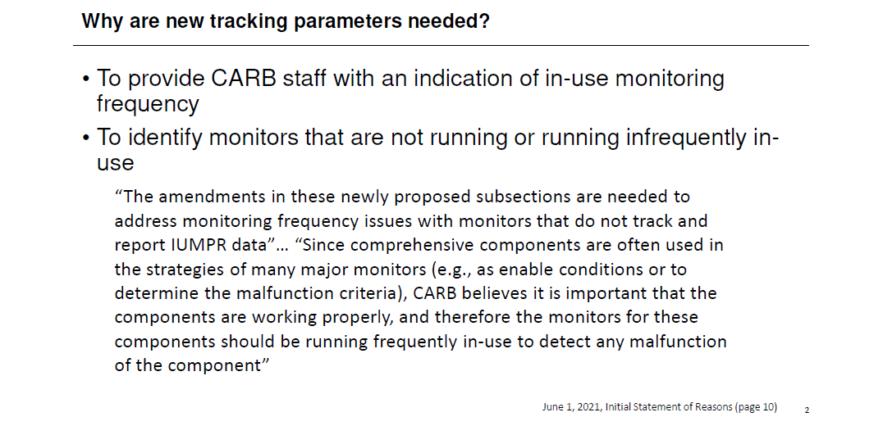

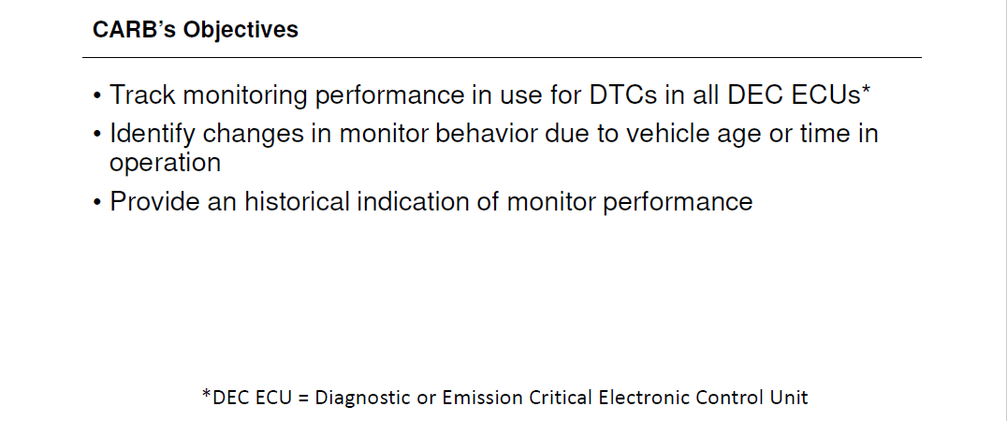

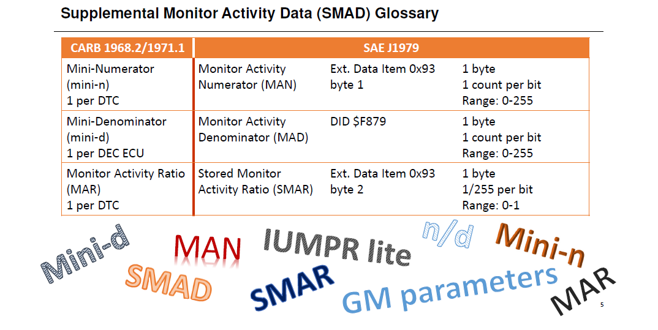

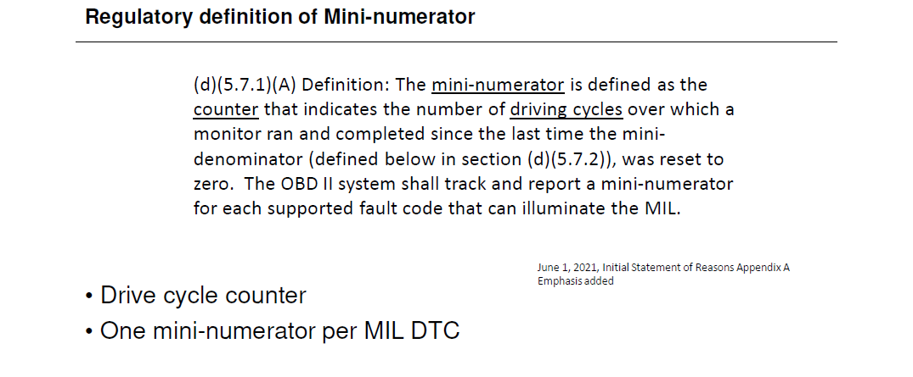

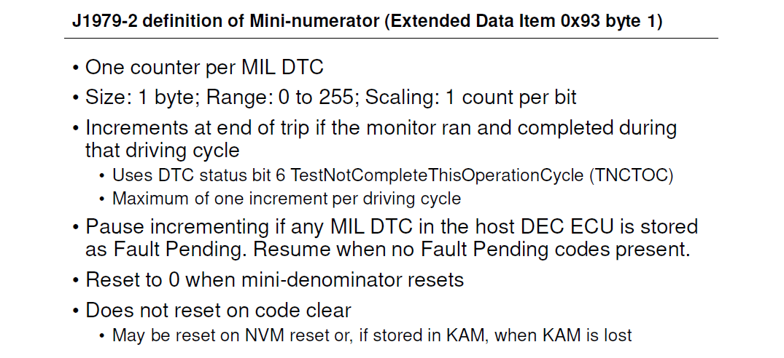

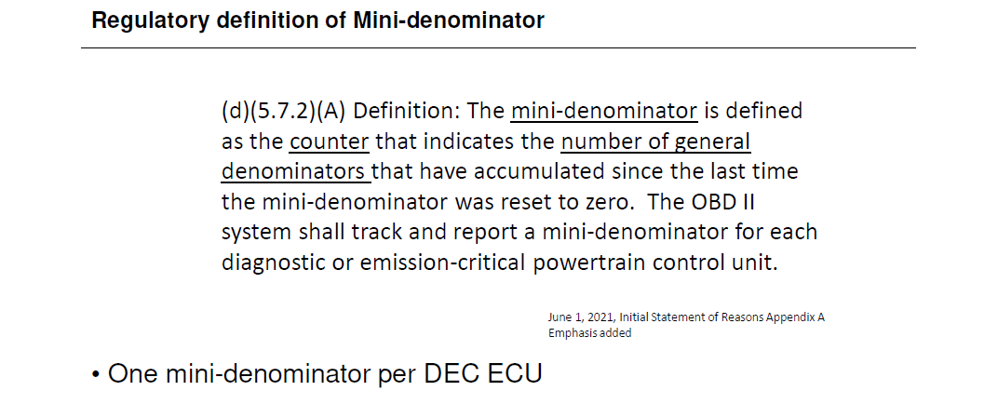

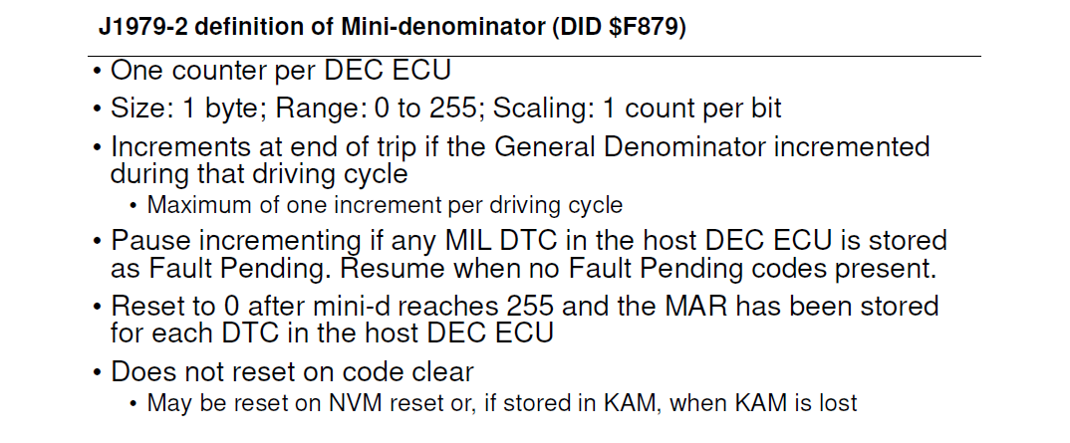

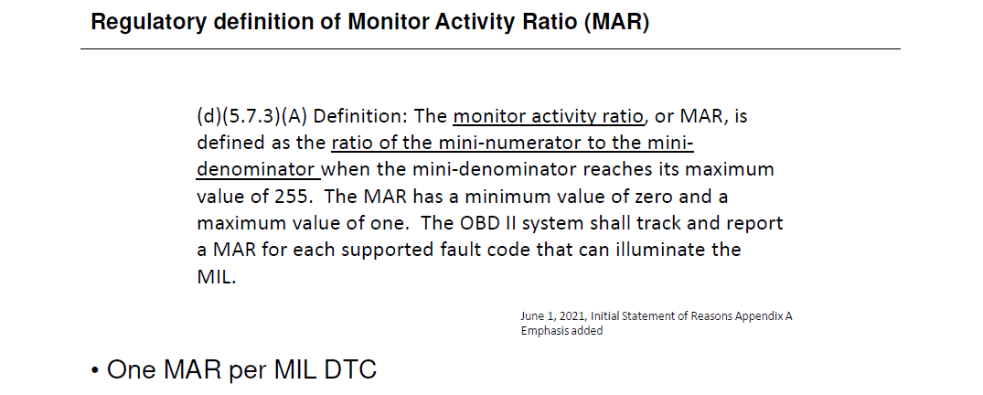

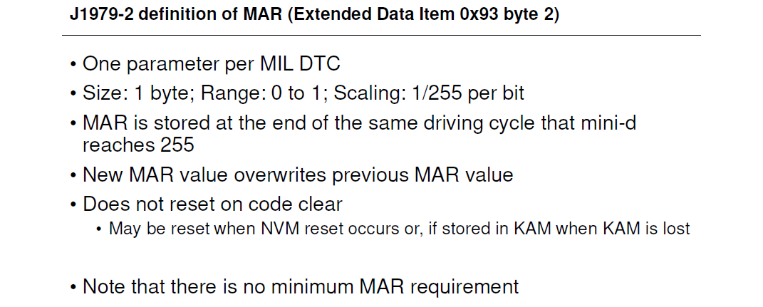

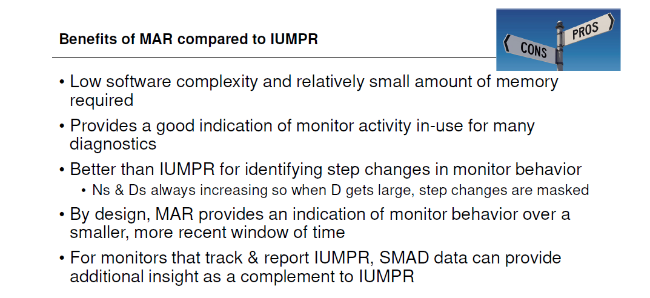

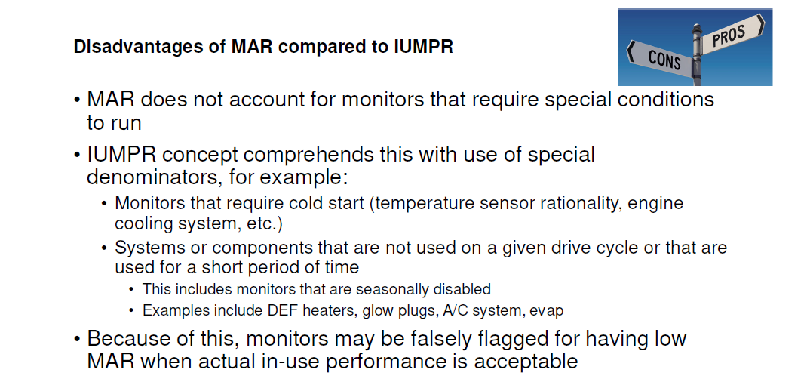

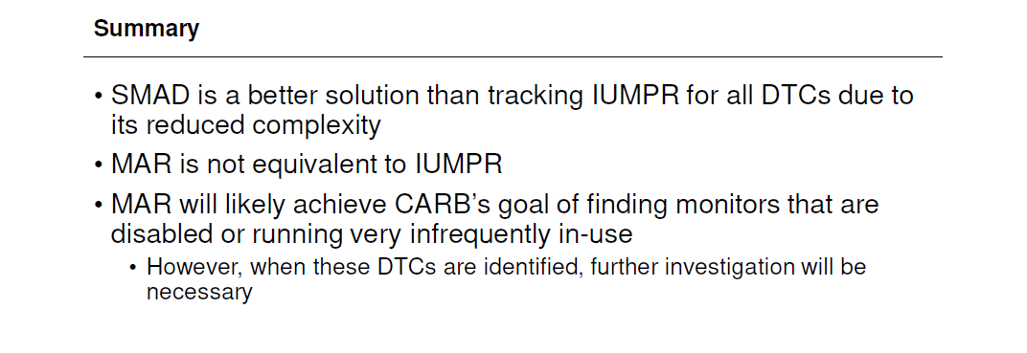

 | End

CombineEvents
Usage Notes for CombineEvents



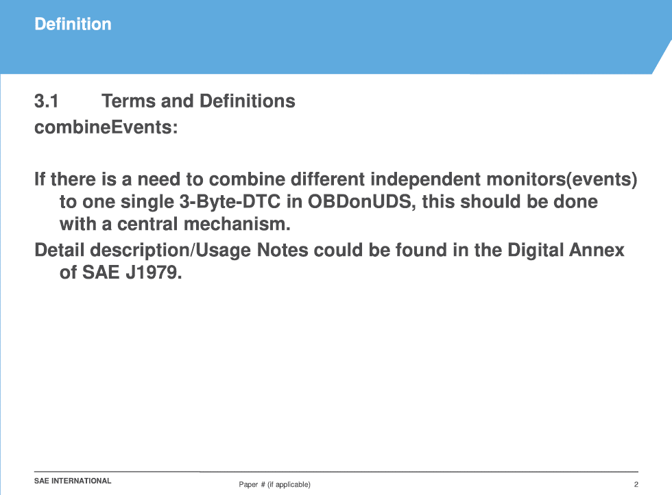

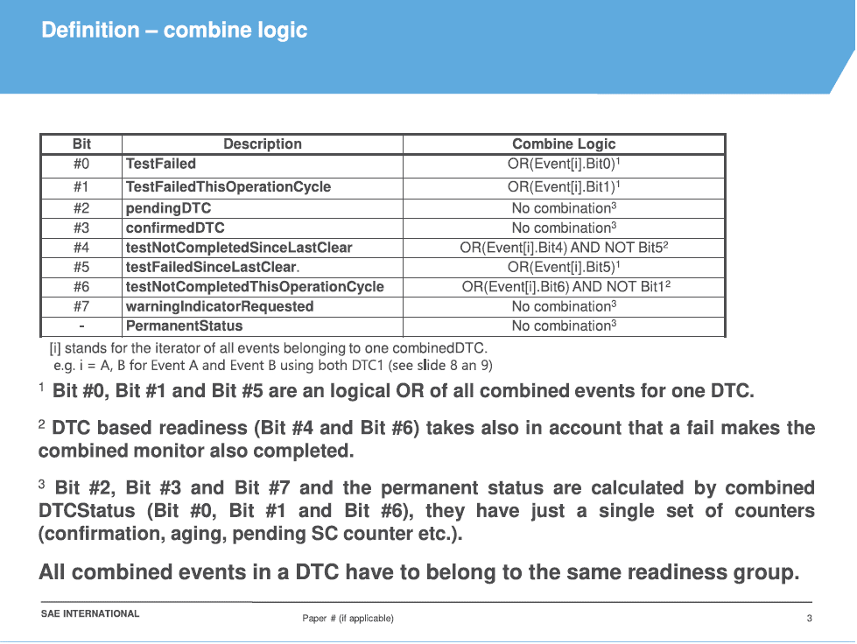

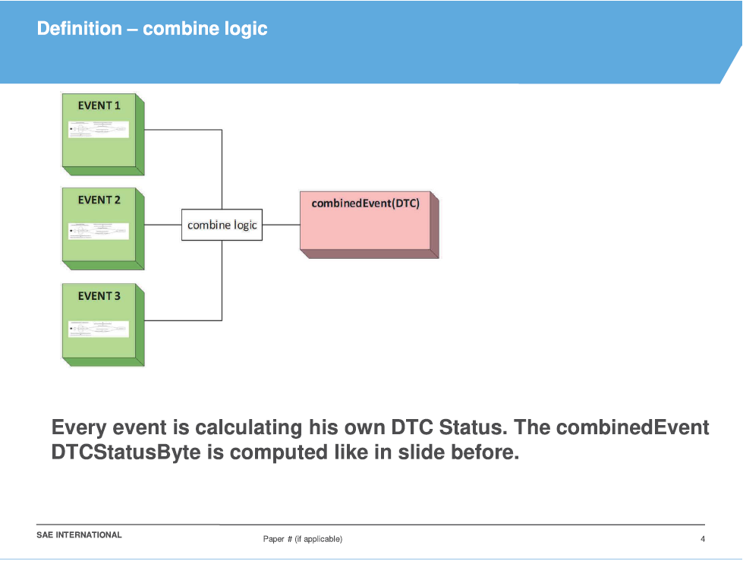

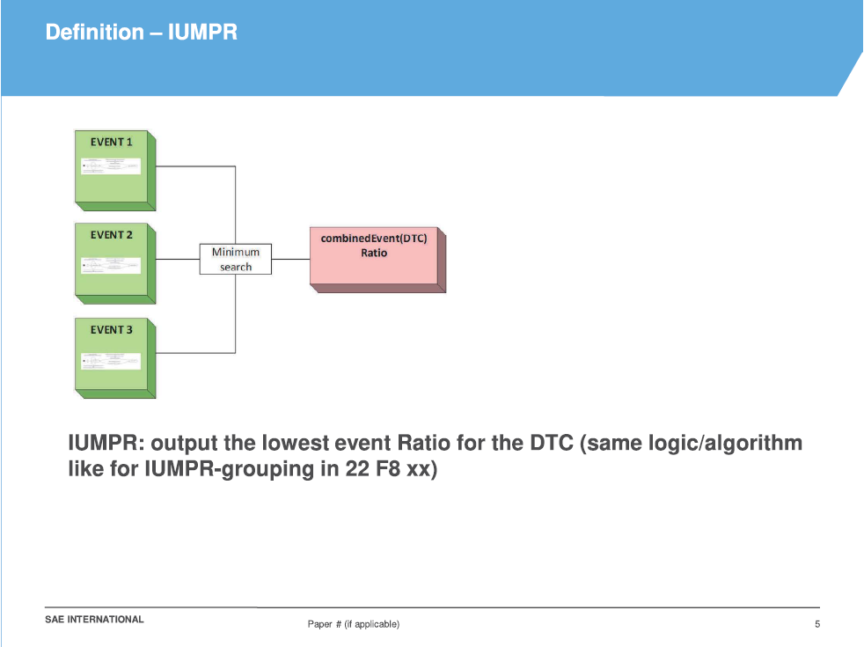

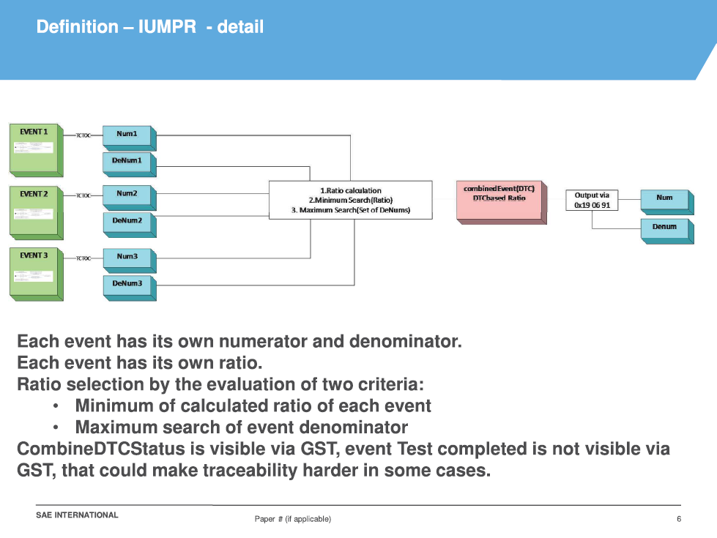

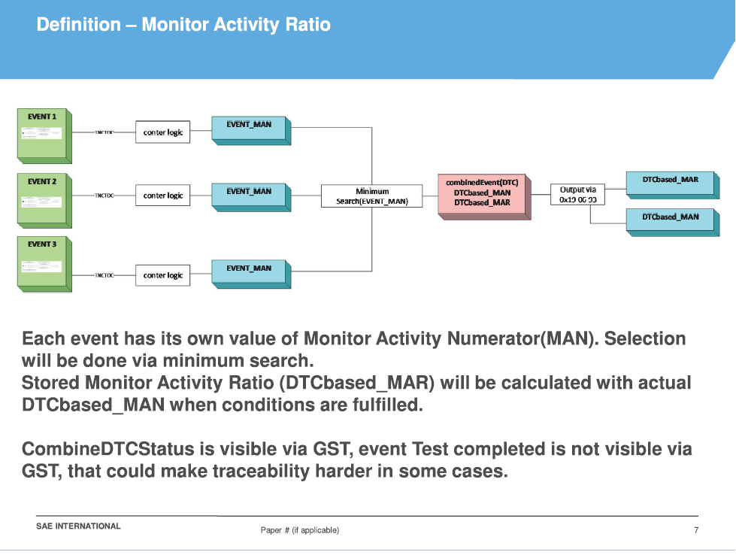

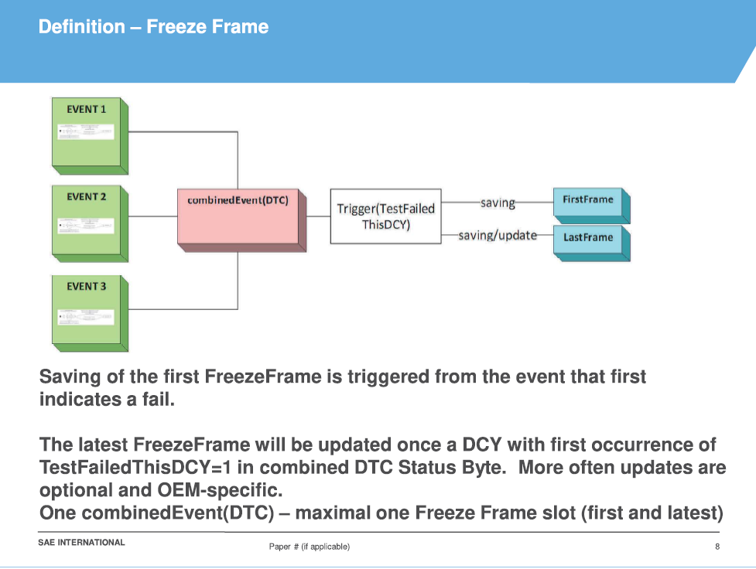

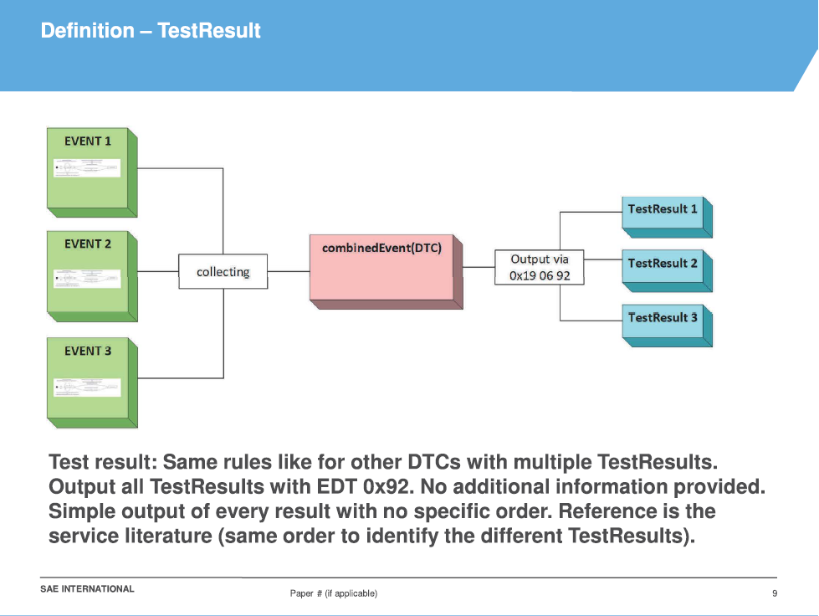

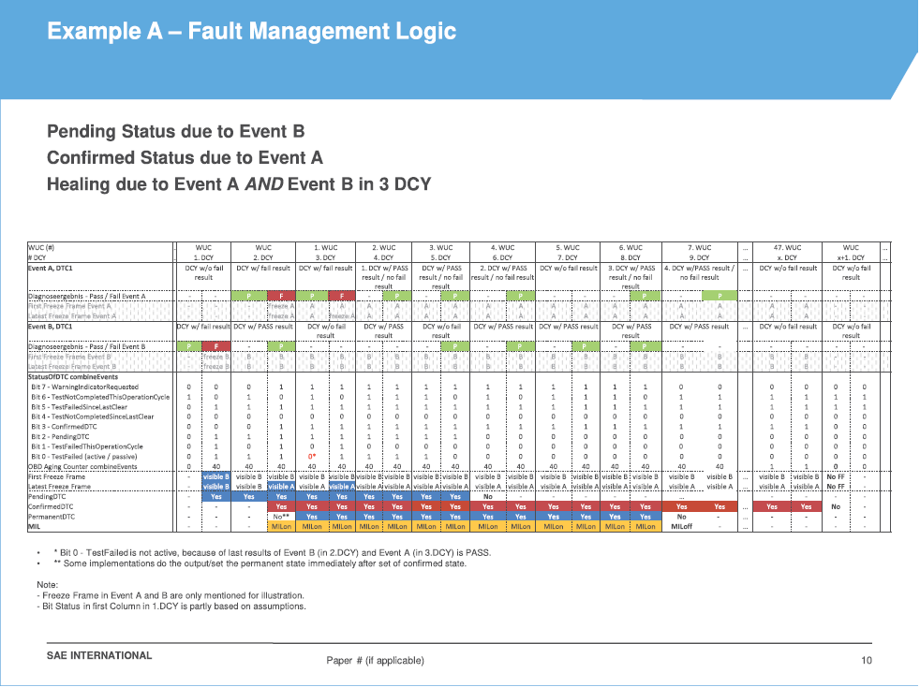

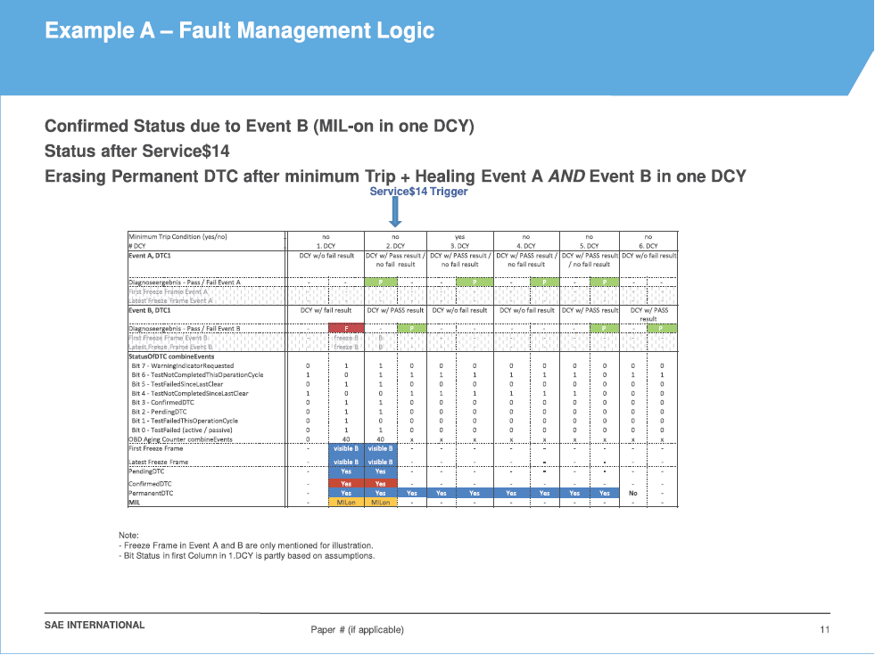

 | End

